Sheet1
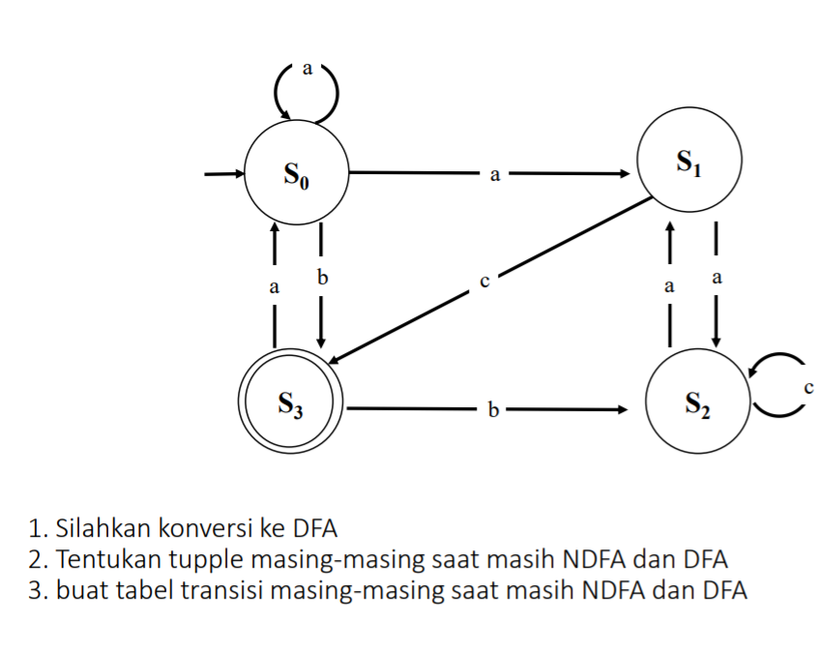
Tupple ndfa
 | Token: | {a,b,c}
 | State: | {s0, s1, s2, s3}
 | Start: | s0
 | Finish: | {s3}
 | Transisi: | Tabel transisi: |  |  |  | Konversi |  |  |  |  | Disederhanakan
 |  | Transisi | a | b | c |  | Transisi | a | b | c |  | Transisi | a | b | c
 |  | ->s0 | {s0,s1} | s3 | e | -> | ->s0 | {s0,s1} | s3 | e | -> | ->s0 | s4 | s3 | e
 |  | s1 | s2 | e | s3 |  | s1 | s2 | e | s3 |  | s1 | s2 | e | s3
 |  | s2 | s1 | e | s2 |  | s2 | s1 | e | s2 |  | s2 | s1 | e | s2
 |  | *s3 | s0 | s2 | e |  | *s3 | s0 | s2 | e |  | *s3 | s0 | s2 | e
 |  | Fungsi transisi: |  |  |  |  | {s0,s1} | {s0,s1,s2} | s3 | s3 |  | s4 | s5 | s3 | s3
 |  | ft(s0,a) = {s0,s1} |  |  |  |  | {s0,s1,s2} | {s0,s1,s2} | s3 | {s2,s3} |  | s5 | s5 | s3 | s6
 |  | ft(s0,b) = s3 |  |  |  |  | *{s2,s3} | {s0,s1} | s2 | s2 |  | *s6 | s4 | s2 | s2
 |  | ft(s0,c) = e |  |  |  |  | e | e | e | e |  | e | e | e | e

 |  | ft(s1,a) = s2
 |  | ft(s1,b) = e
 |  | ft(s1,c) = s3

 |  | ft(s2,a) = s1
 |  | ft(s2,b) = e
 |  | ft(s2,c) = s2
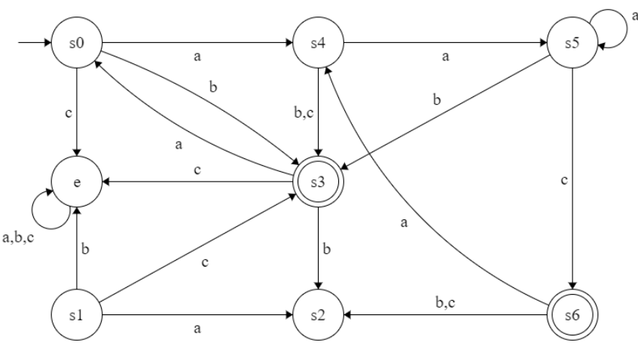
 |  | ft(s3,a) = s0
 |  | ft(s3,b) = s2
 |  | ft(s3,c) = e

Tupple dfa
 | Token: | {a,b,c}
 | State: | {e, s0, s1, s2, s3, s4, s5, s6}
 | Start: | s0
 | Finish: | {s3}
 | Transisi: | Tabel transisi:
 |  | Transisi | a | b | c
 |  | ->s0 | s4 | s3 | e
 |  | s1 | s2 | e | s3
 |  | s2 | s1 | e | s2
 |  | *s3 | s0 | s2 | e
 |  | s4 | s5 | s3 | s3
 |  | s5 | s5 | s3 | s6
 |  | *s6 | s4 | s2 | s2
 |  | e | e | e | e
 |  | Fungsi Transisi
 |  | ft(s0,a) = s4
 |  | ft(s0,b) = s3
 |  | ft(s0,c) = e

 |  | ft(s1,a) = s2
 |  | ft(s1,b) = e
 |  | ft(s1,c) = s3

 |  | ft(s2,a) = s1
 |  | ft(s2,b) = e
 |  | ft(s2,c) = s2

 |  | ft(s3,a) = s0
 |  | ft(s3,b) = s2
 |  | ft(s3,c) = e

 |  | ft(s4,a) = s5
 |  | ft(s4,b) = s3
 |  | ft(s4,c) = s3

 |  | ft(s5,a) = s5
 |  | ft(s5,b) = s3
 |  | ft(s5,c) = s6

 |  | ft(s6,a) = s4
 |  | ft(s6,b) = s3
 |  | ft(s6,c) = s2

 |  | ft(e,a) = e
 |  | ft(e,b) = e
 |  | ft(e,c) = e

